1. Title Page
Project Name: Instacart Grocery Basket Analysis
Date: 29-Jul-2022
Analyst Name: Luca Verderio

Contents:
Population Flow
Consistency checks
Wrangling steps
Column derivations
Visualizations
Recommendations

Citation
“The Instacart Online Grocery Shopping Dataset 2017”
Accessed from https://www.instacart.com/datasets/grocery-shopping-2017 on 29-Jul-2022

2. Population Flow
Population flow

Exclusion flag: Low Activity
Condition: max_order < 5
Obervations to be removed: 1440295
Final total count of order_products_all: 30964564

Orders_products_combined
Orders_products_merged
Orders_products_all

Total: 32404859
Total: 32434489
Total: 32404859

3. Consistency checks
Consistency checks

Dataset | Missing values | Missing values treatment | Duplicates
orders | 206209 | Created a 'first order' flag | None
products | 16 | Removed | 5 duplicates removed
orders_products_prior | None | None | None
customers | 11259 | None | None

4. Wrangling steps
Wrangling steps

Dataset: orders.csv
Columns dropped | Columns renamed | Columns' type changed | Comment/Reason
eval_set |  |  | Not needed
 | order_dow |  | Clarity
 |  | order_id | Changed to string
 |  | user_id | Changed to string
 | order_hour_of_day |  | Clarity

Dataset: orders_products_merged.pkl
Columns dropped | Columns renamed | Columns' type changed | Comment/Reason
_merge |  |  | Not needed
 |  | user_id
 | busiest_day |  | Clarity

Dataset: customers.csv
Columns dropped | Columns renamed | Columns' type changed | Comment/Reason
 | First Name |  | Clarity
 | Surnam |  | Clarity
 | Gender |  | Clarity
 | STATE |  | Clarity
 | Age |  | Clarity
 |  | user_id | Changed to string

Dataset: orders_products_customers_final.pkl
Columns dropped | Columns renamed | Columns' type changed | Comment/Reason
first_name |  |  | PII
last_name |  |  | PII

Dataset: df_customer_profile.pkl
Columns dropped | Columns renamed | Columns' type changed | Comment/Reason
first_name |  |  | PII
last_name |  |  | PII
gender |  |  | Not needed
state |  |  | Not needed
age |  |  | Not needed
date_joined |  |  | Not needed
n_dependants |  |  | Not needed
fam_status |  |  | Not needed
income |  |  | Not needed

5. Column derivations
Column derivations and aggregations

Dataset | New column | Column/s it was derived from | Conditions
orders_products_customers_final.pkl | first_order | days_since_prior_order | if NaN then True
 | price_range_loc | prices | prices > 15: high-range product 5 < prices <= 15: mid-range product prices <= 5: low-range product
 | busiest_days | day_of_week | day_of_week = 0 or 1: busiest days day_of_week = 3 or 3: slowest days day_of_week = anything else: regularly busy
 | busiest_period_of_day | hour_of_day | Based on normal distribution: Within 68%: most orders Between 68% and 95%: average orders Over 95%: fewest orders
 | loyalty_flag | max_order | max_order > 40: loyal customer 10 < max_order <= 40: regular customer max_order <= 10: new customer
 | spending_flag | customer_spending | customer_spending >= 10: high spender customer_spending < 10: low spender
 | order_frequency_flag | order_frequency | order_frequency > 20: non-frequent customer 10 < order_frequency <= 20: regular customer order_frequency <= 10: frequent customer
df_high_activity.pkl | region | state | Based on list of US states
 | activity_flag | max_order | max_order >= 5: high activity max_order < 5: low activity
orders_products_profiles.pkl | customer_profile | age & n_dependants & income & department & user_id | 18 <= age <= 34: young adult 35 <= age <= 64: adult age >= 65: senior n_dependants == 0: no kids n_dependants > 0: with kids income <= 52200: low income 52200 < income < 156600: middle income income >= 156600: upper income if user_id purchased items from produce department: produce consumer if user_id never purchased items from produce department: not a produce consumer

6. Results & Recommendations
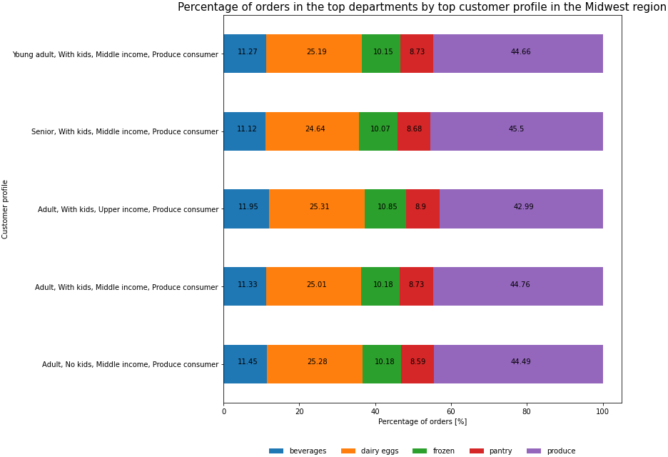
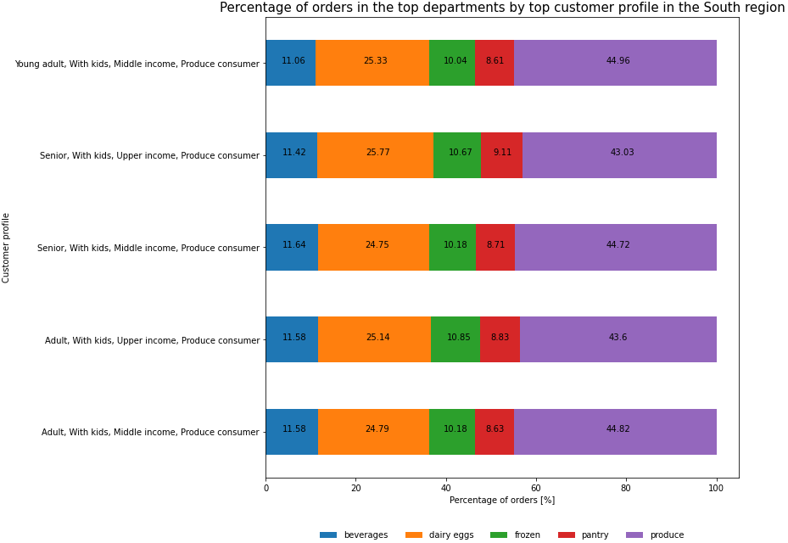
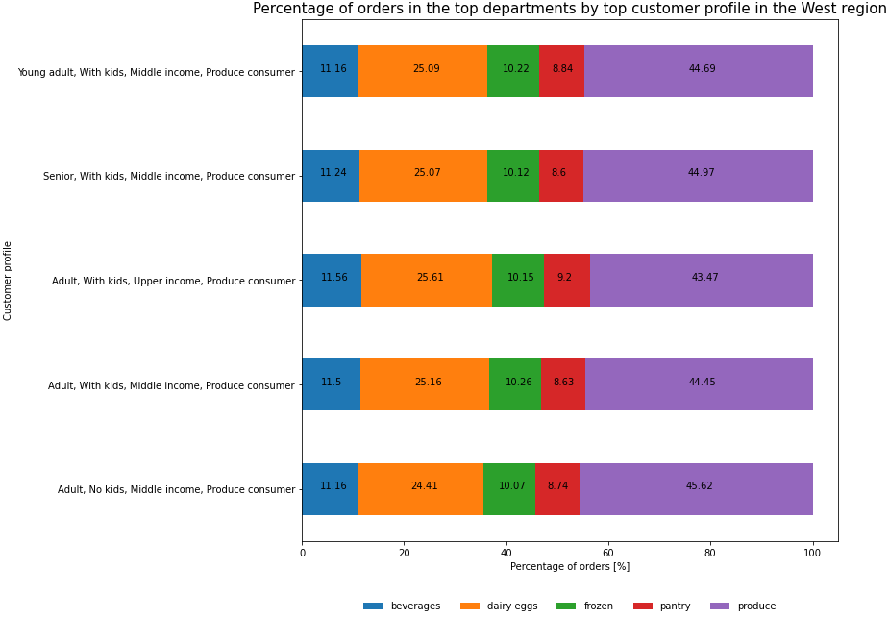
Results and Recommendations

Question 1 | What are the busiest days of the week and hours of the day in terms of orders?

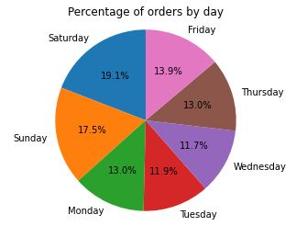
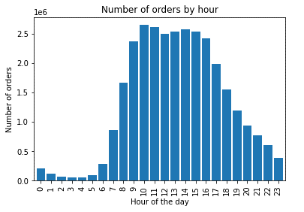
 |  | Results • The days with the highest frequency of orders are Saturdays and Sundays. The days with the lowest frequency are Wednesdays and Tuesdays. • The frequency of orders by hour of the day is as follows: - Busiest hours: 9, 10, 11, 12, 13, 14, 15, 16, 17 - Regularly busy hours: 7, 8, 18, 19, 20, 21, 22 - Slowest hours: 0, 1, 2, 3, 4, 5, 6, 23 Recommendations • Ads should have a higher frequency on Wednesdays and Tuesdays, when there are fewer orders. • Ads should have a higher frequency from 7 to 8 and from 18 to 22, during "regularly busy hours". • The "slowest hours" may coincide with the time of the day with the fewest active users; thus, increasing the ads frequency could have only a limited impact.

Question 2 | When do people spend the most money throughout the day?
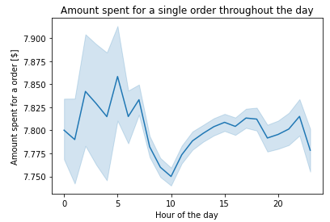
 |  | Results • The expenditure varies only slightly throughout the day, reaching the maximum early in the morning (between 2 and 5) and late at night (around 22), and the minimum at midmorning (around 10).

 |  | Recommendations • When developing the marketing campaign, the schedule for products' advertisement should take into account the time of the day to maximise its effectiveness.

Question 3 | Create simpler price range groupings

 |  | Results • The ranges have been defined as follows: - High-range: over 15$ - Mid-range: between 5$ and 15$ - Low-range: below 5$ • The majority of the orders fall within the "Mid-range products" category. • Products within the "High-range product" category are the least popular.
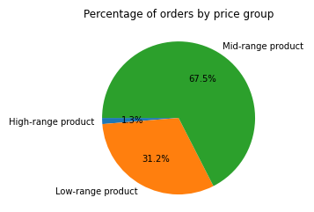

 |  | Recommendations • These groups have been created to provide a better overview of the distribution of products' prices.

Question 4 | Are there certain types of products that are more popular than others in terms of frequency of orders?
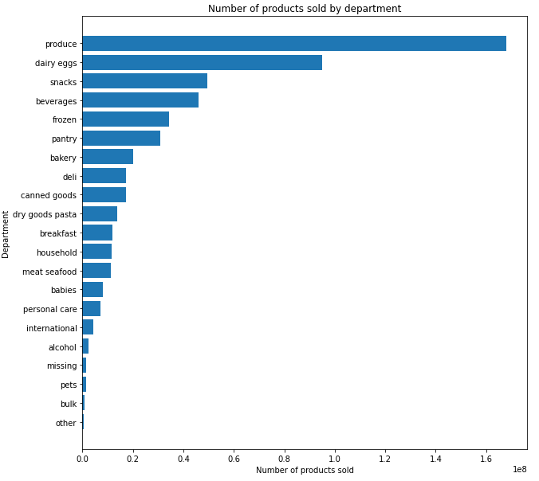
 |  | Results • "Produce" is the department with the largest frequency of orders. • "Bulk" is the department with the lowest frequency of orders.

 |  | Recommendations • Depending on the business plan, an appropriate marketing campaign would need to be drawn up. For instance, if the target is to maximise the number of sales in the most popular departments, advertising should focus on products from the"Produce" and "Dairy eggs" departments. On the other hand, if the target is to increase sales in less popular departments, advertising should focus on a different range of products.

Question 5 | What’s the distribution among users in regards to their brand loyalty?

 |  | Results • Most of the users are regular customers (between 10 and 40 orders). • Only a small percentage of users have become loyal customers.
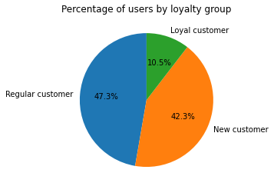

 |  | Recommendations • Marketing stategies should be created to not only attract new customers, but also lead the existing ones into making more orders and move to the next category. For example, rewards programs could be created to build better customer loyalty while motivating users to spend more.

Question 6 | Are there differences in ordering habits based on a customer’s loyalty status?
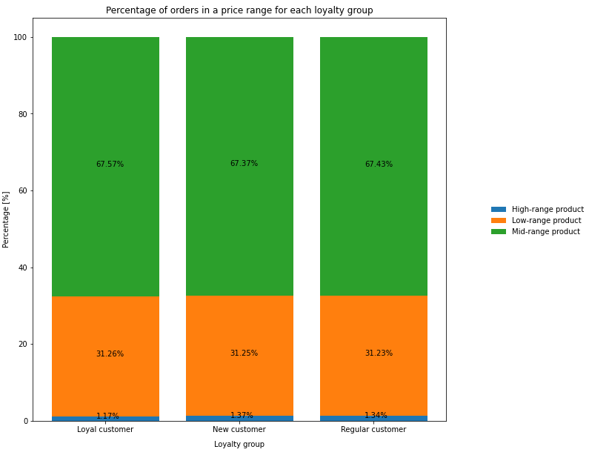
 |  | Results • The number of purchases of low-range products is consistent across the three categories. • A slight difference can be noted regarding loyal customers, as they have recorded the largest percentage of mid-range product purchases and the lowest percentage of high-range product purchases.

 |  | Recommendations • Data suggest that loyal customers tend to purchase more mid-range products and less high-range products, when compared to new and regular customers. Hence, as loyal customers will likely stay devoted, a marketing strategy should be created to motivate them to purchase more high-range products.

Question 7 | Are there differences in ordering habits based on a customer’s region?
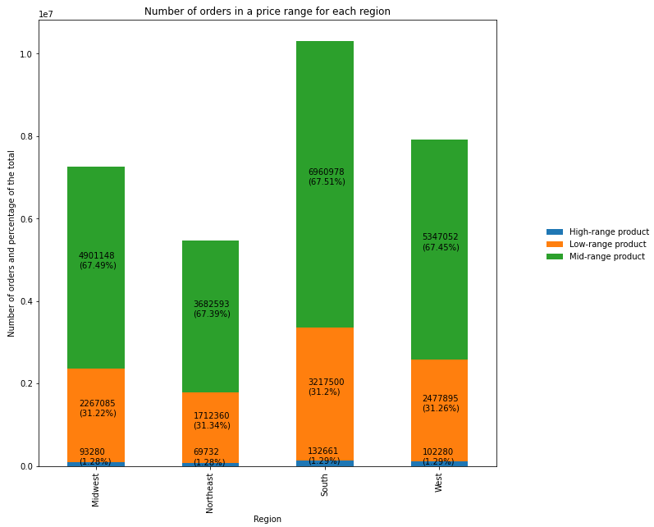
 |  | Results • The majority of the orders come from the "South" region, followed by "West", "Midwest" and finally "Northeast". • The percentages of orders within each price range are consistent across regions, indicating that users have similar spending habits irrespective of their location.

 |  | Recommendations • The marketing campaign should target primarily regions with fewer orders, such as "Northeast", in order to have more users making purchases and, in turn, leading to a larger number of orders.

Question 8 | Is there a connection between age and family status in terms of ordering habits?

 |  | Results • Across the different age ranges, married people are the ones that make the most orders.

 |  | Recommendations • The marketing campaign should target, specifically, married people. For any age range, they represent the customer profile with the largest number of orders, thus they have the greatest impact on the total revenue. Therefore, an effective marketing strategy aimed at that specific category could lead to a major increase in orders and revenue.

Question 9 | What different classifications does the demographic information suggest?
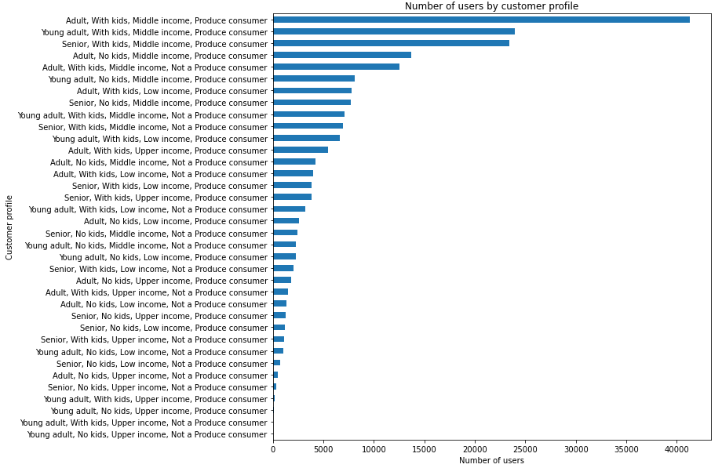
 |  | Results • Customer profiling has been carried out based on age, number of dependants, income and whether a customer has ever purchased from the "Produce" department (as that is the department with the most orders as seen previously in question 4). • The chart at the top shows that the most represented profile is "Adult, With kids, Middle income, Produce consumer" with over 40000 users. • The chart at the bottom shows that the largest number of orders have also been made by the above-mentioned profile, "Adult, With kids, Middle income, Produce consumer". • It can be seen that the top profiles in terms of number of users are also the top profiles in terms of number of orders.

 |  | Recommendations • The top three profiles have in common very specific aspects (irrespective of age): - They have kids - Middle income - They are "Produce" consumers • Targeted ads should be directed towards that particular profile, as it represents the greatest potential for higher revenue.

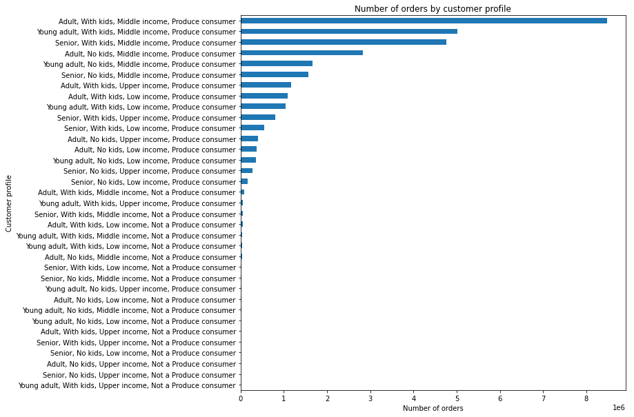

Question 10 | What differences can you find in ordering habits of different customer profiles?
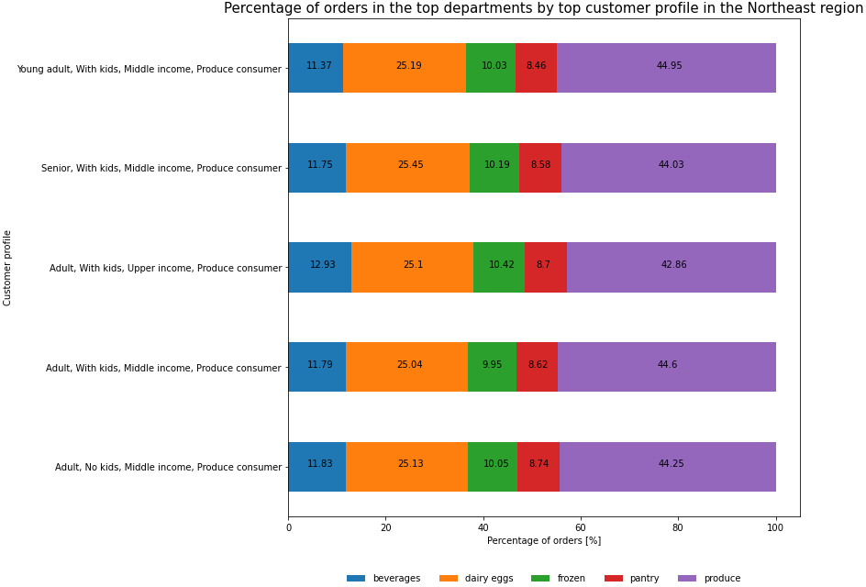
 |  | Results • The charts show the percentage of orders in the top 5 departments (in terms of number of orders) made by the top 5 profiles (in terms of number of orders) in the different regions. • The top profile is "Young adult, With kids, Middle income, Produce consumer". • This profile has made most of the orders in the "Produce" department.

 |  | Recommendations • The top profile and the best selling department are the same across the regions. Therefore, the cost of the marketing campaign could be optimized through the use of a similar strategy, targeting the same profiles, throughout different locations.

